1.Instructions
SmartCo Actual Expenses 2016, Massachusetts Bulk Upload

1. Log into the IBM Demo SmartCo demo from Planning Analytics for Excel (PAx):

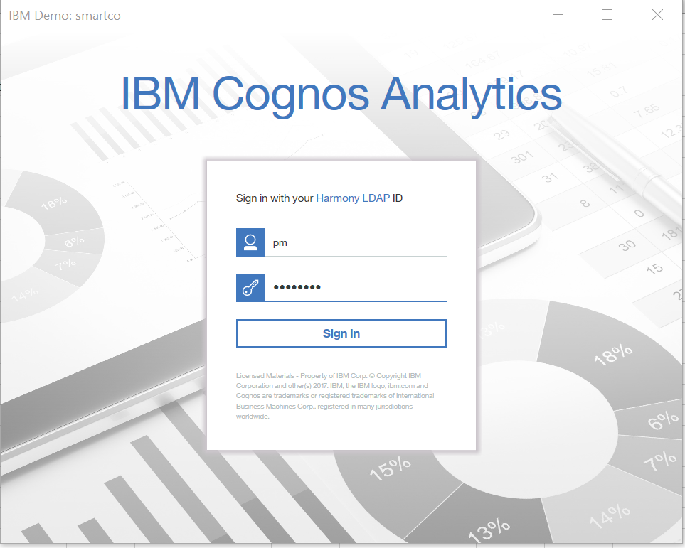

2. Review current Actual Expenses 2016 for Massachussetts:

 | navigate to tab |  | Expense Summary Report (live) |  | to review current Actual 2016 Expenses

 | click 'Refresh Sheet' from the IBM Planning Analytics Ribbon to refresh the data from the PA server
 | there may be no numbers, like in the screen shot below
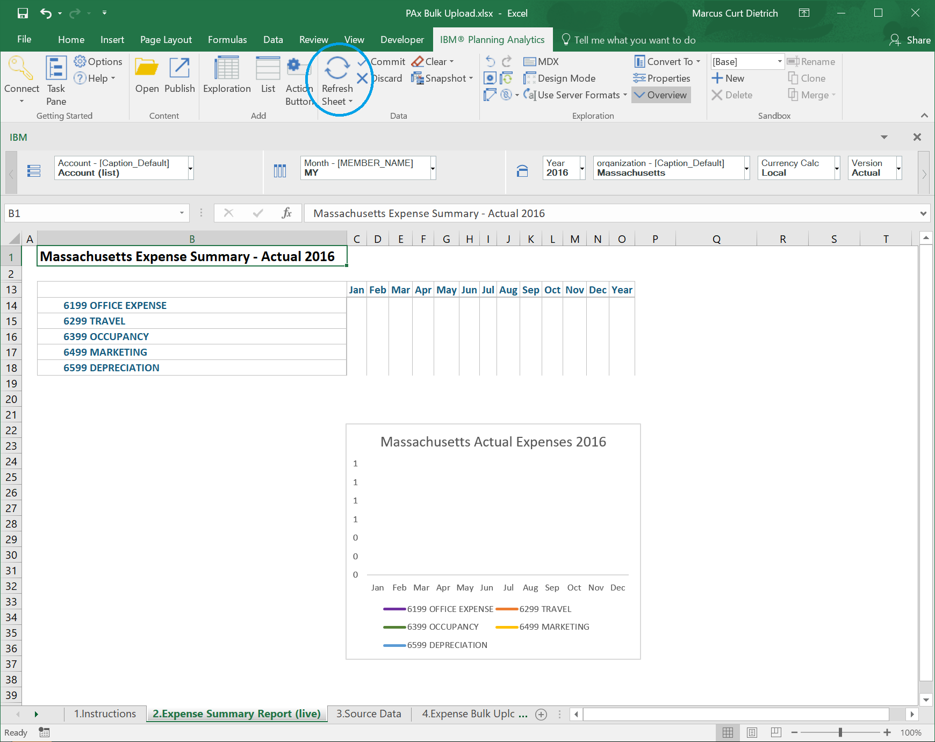

3. Begin the Bulk Upload of actual expenses in two steps:

 | Step 1:
 | From | Tab 3. Source Data |  | copy the Month and Account references (green area - Col A and Col B - excluding headers)

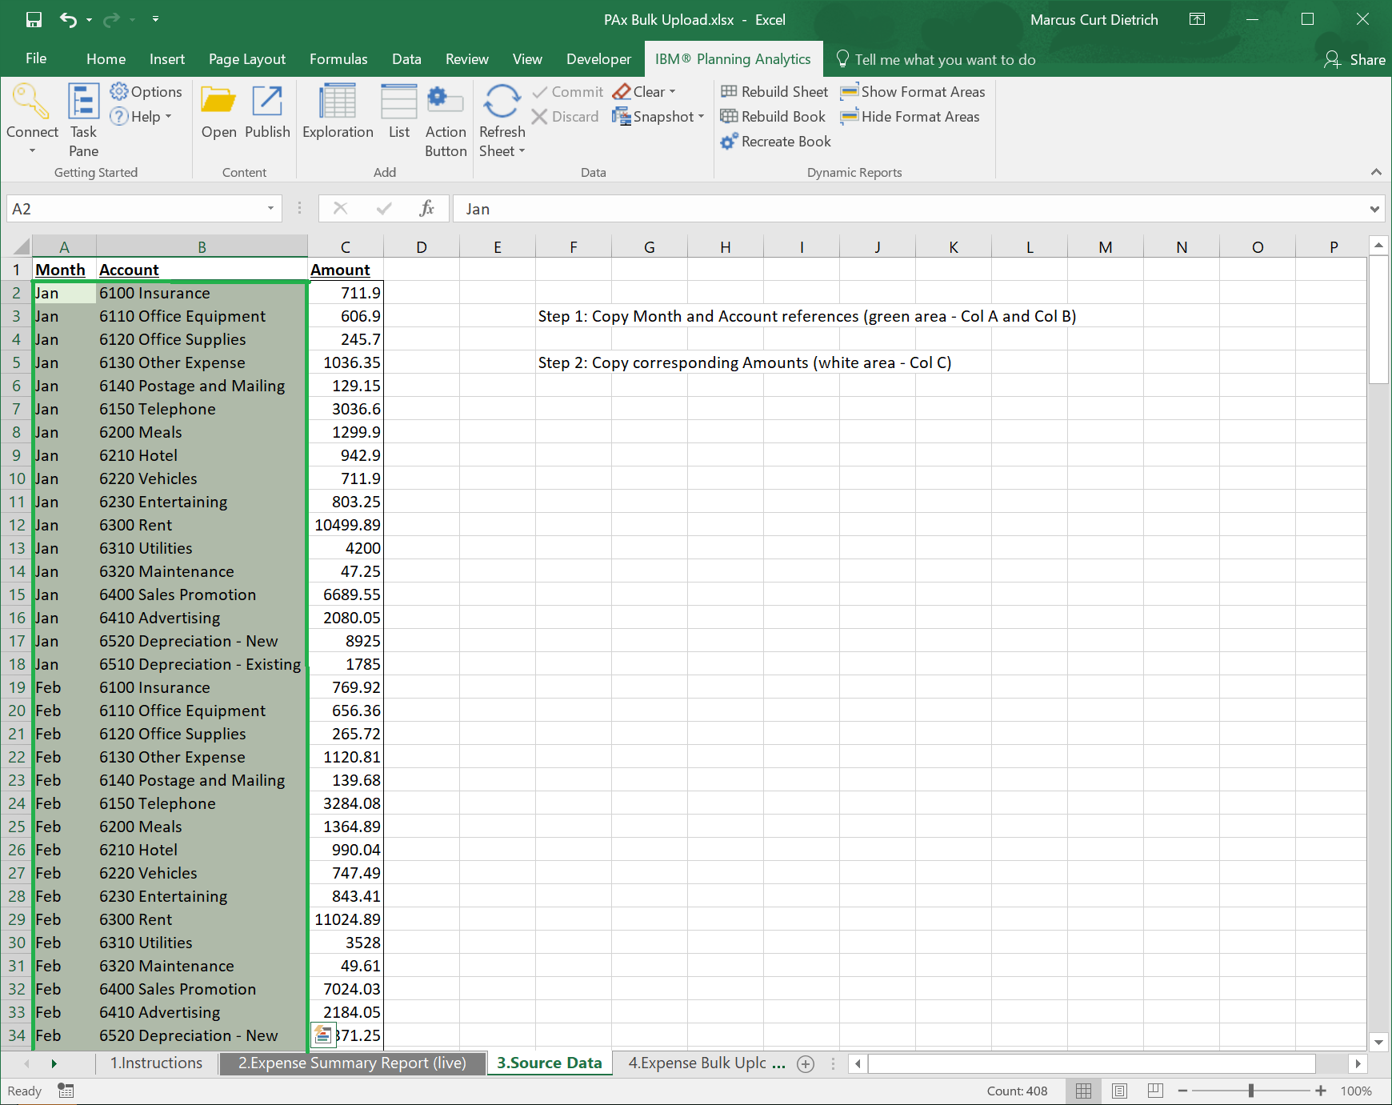

 | and paste them into the Month and Account Reference Area of the sheet |  |  |  |  |  | 4. Expense Bulk Upload

 | paste here:
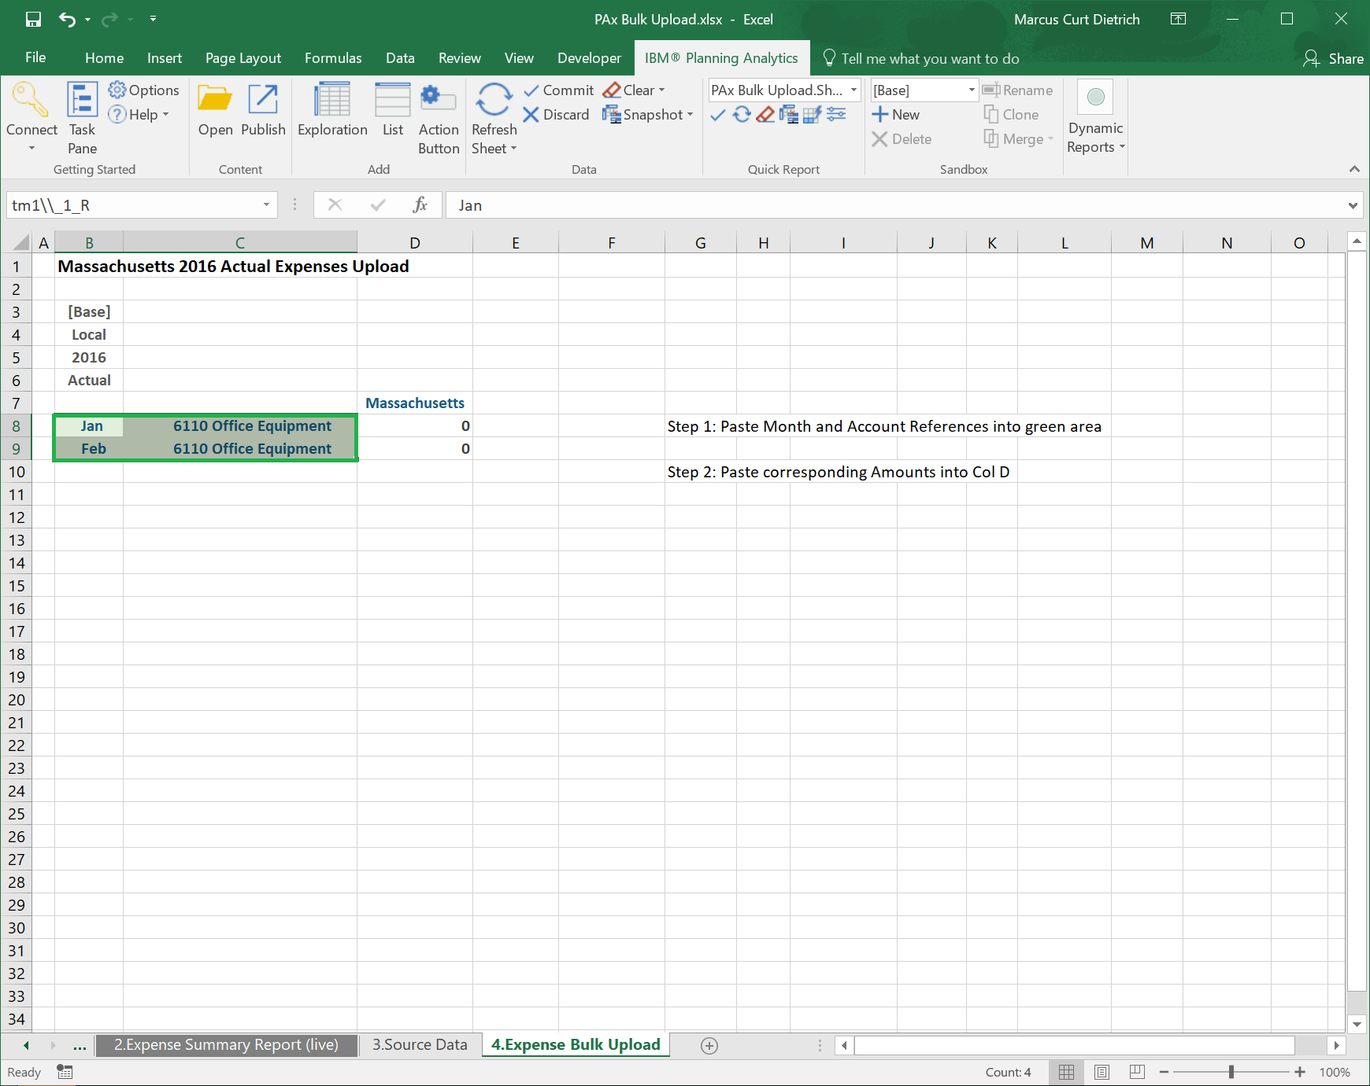

 | after pasting the Month and Account references the sheet should look like this:

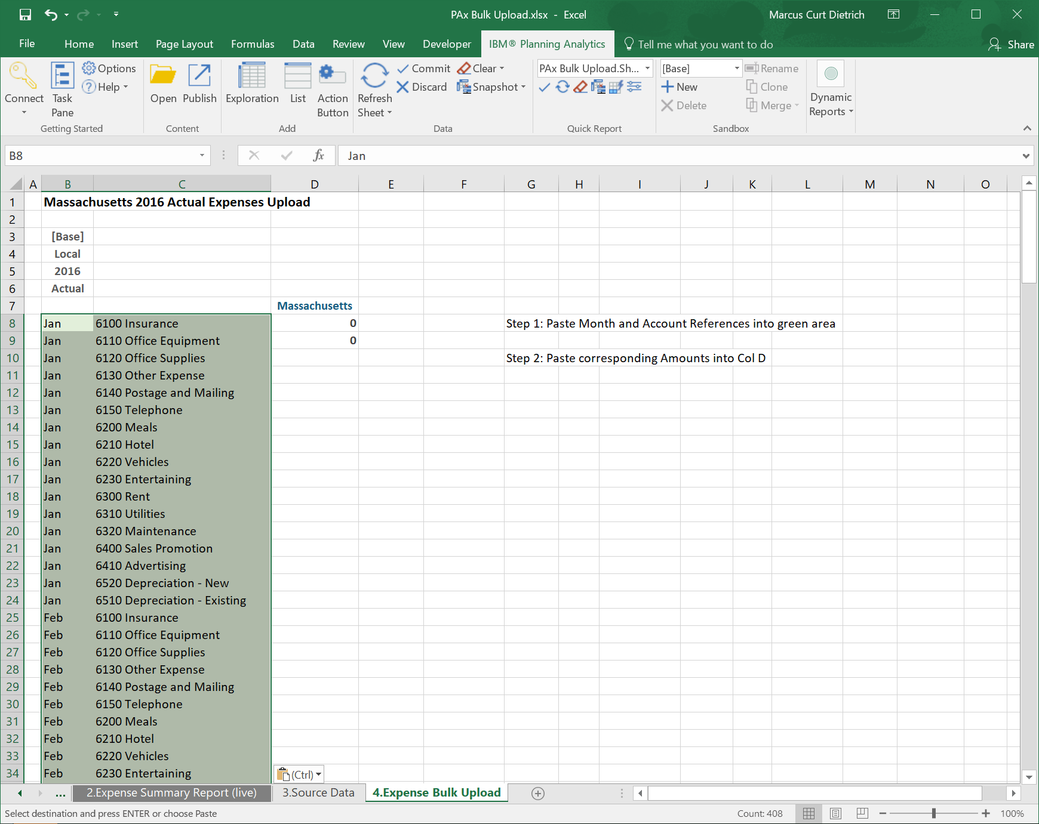

 | next: while still in the sheet |  |  | 4. Expense Bulk Upload
 | click 'Refresh Sheet' (1.) on the Planning Analytics Ribbon to let the Quick Report refresh the Reference Area
 | then click 'Highlight' (2.) on the Planning Analytics Ribbon to highlight the Quick Report Area

 | you will notice that hitting the refresh button dynamically expanded the reference area, which we are verifying with the 'Highlight' button:

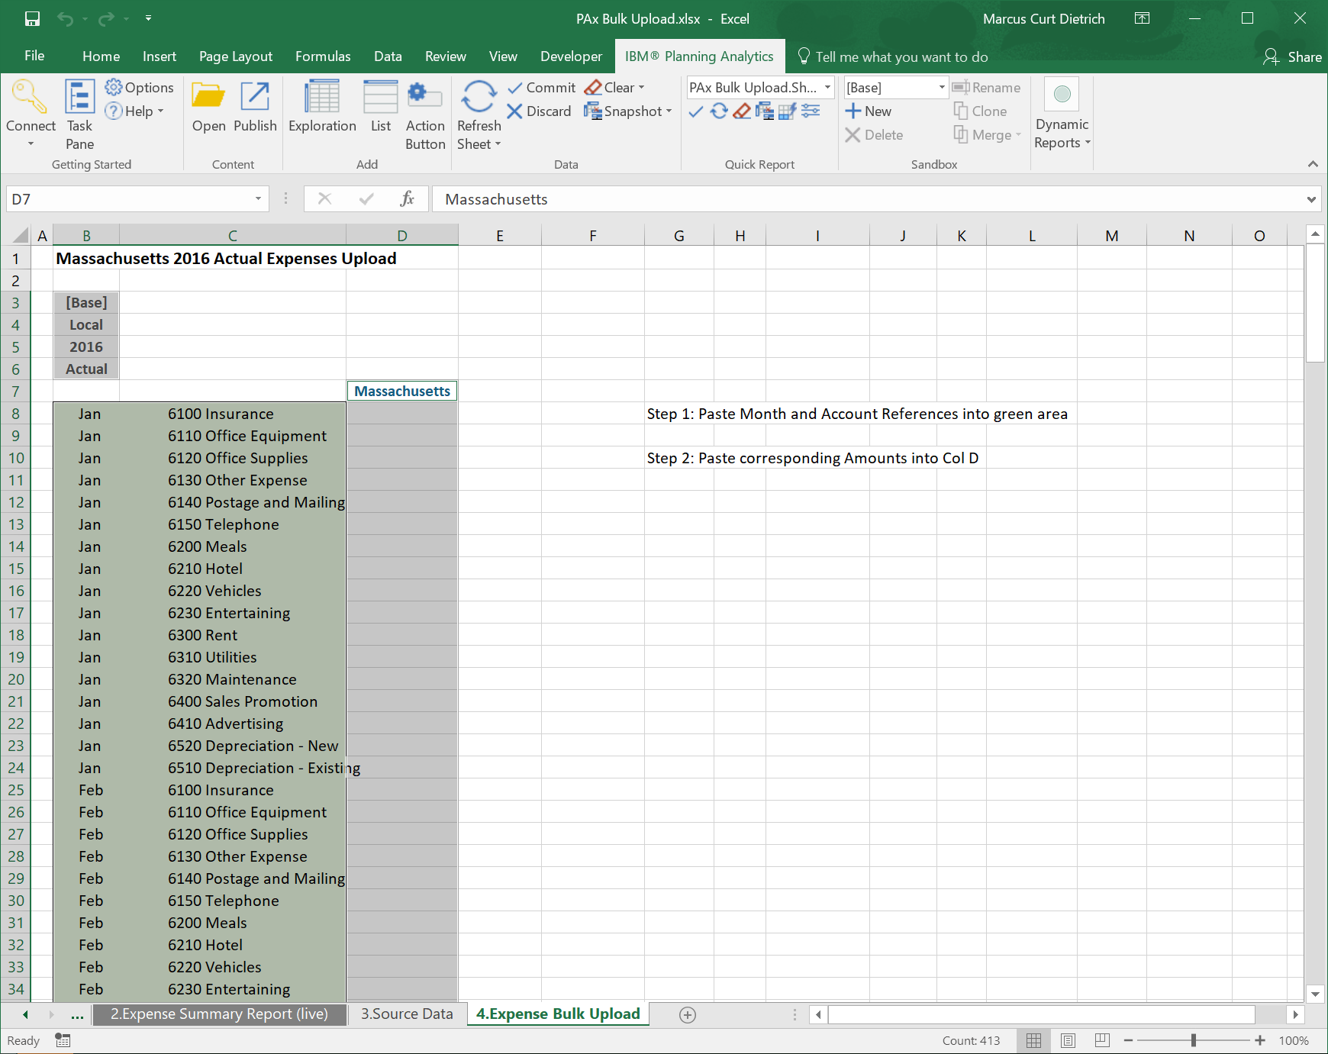

 | Step 2:
 | Copy and paste the corresponsing amounts from the sheet |  |  |  |  | Tab 3. Source Data |  | Col C (skip the heading)

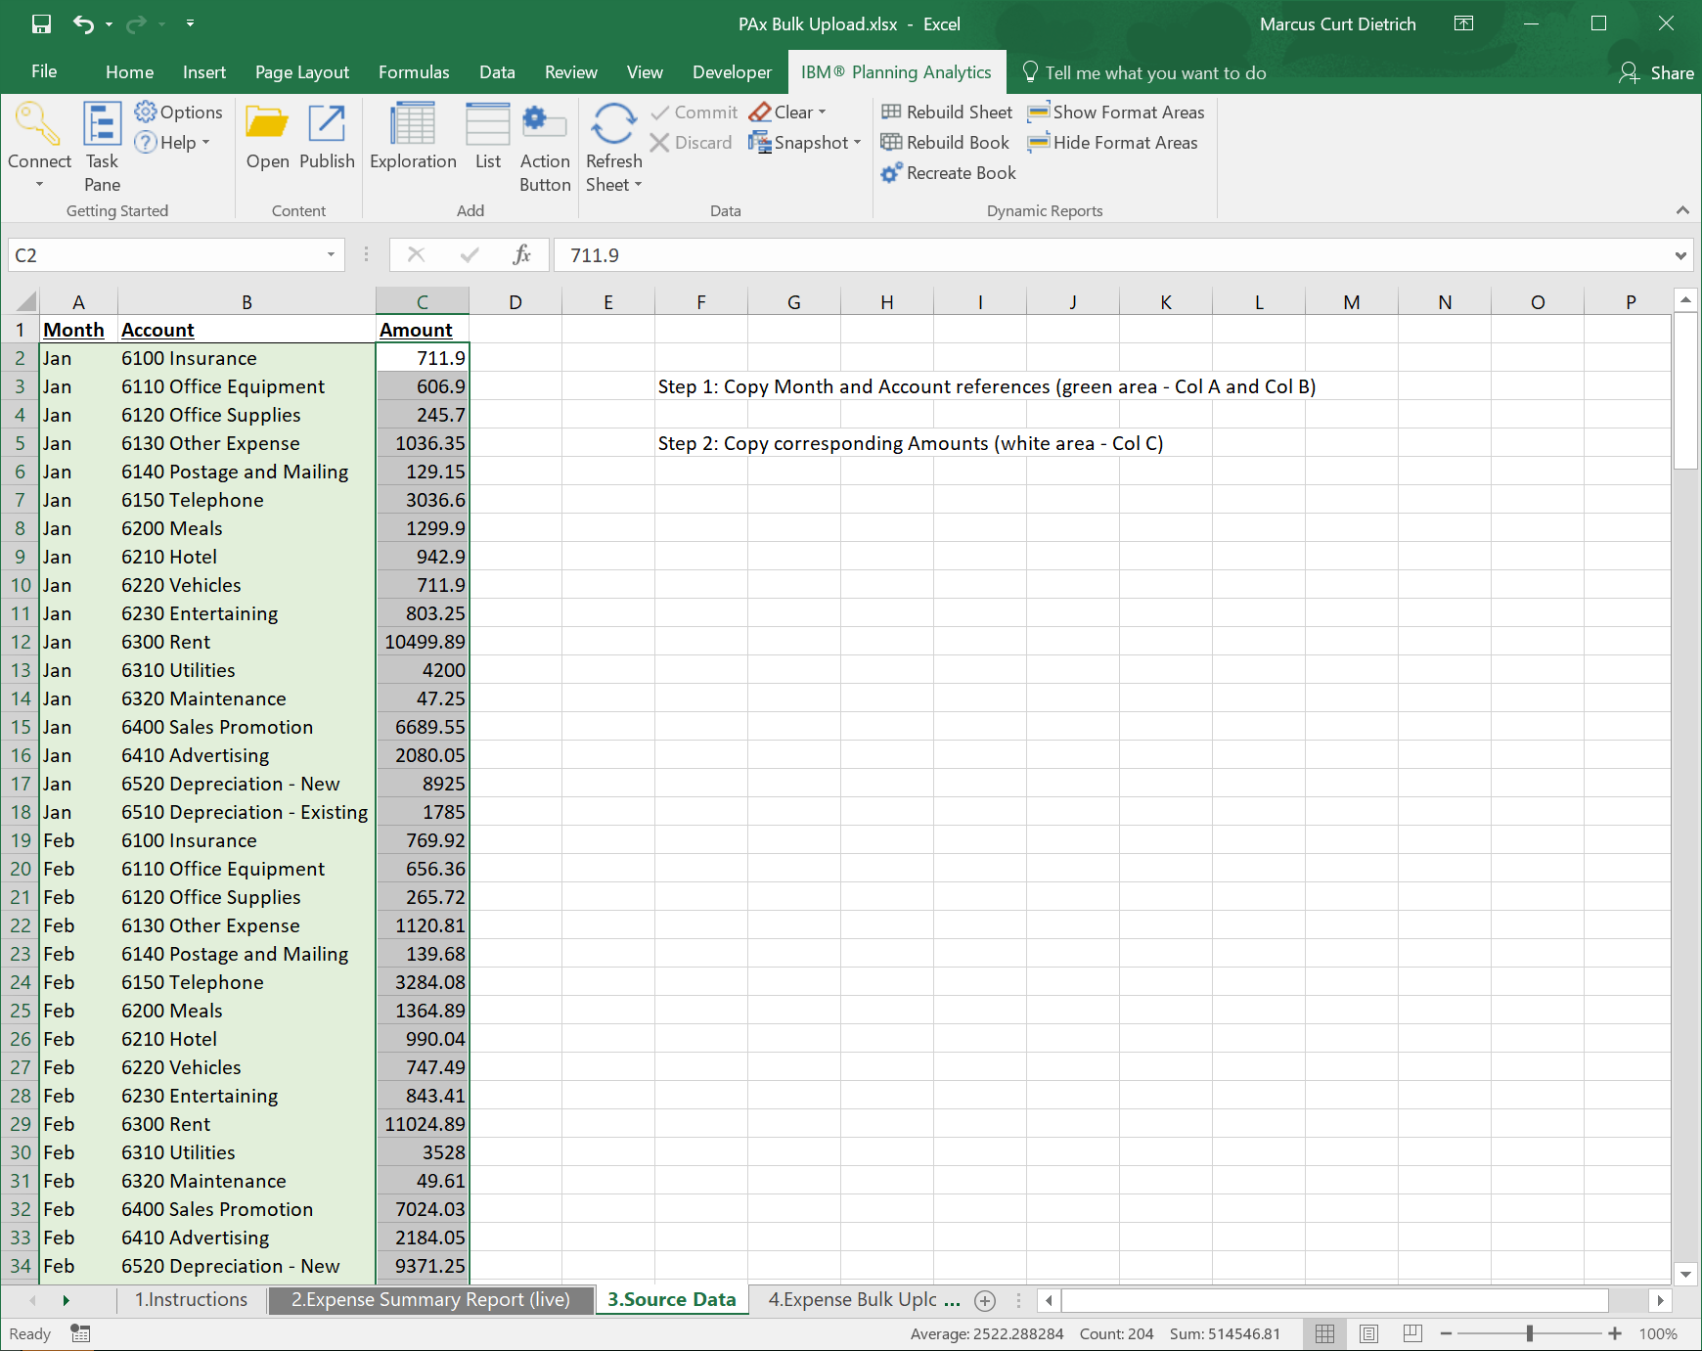

 | and paste the amounts into Col D of the corresponding Months/Accounts in sheet |  |  |  |  |  |  | 4. Expense Bulk Upload

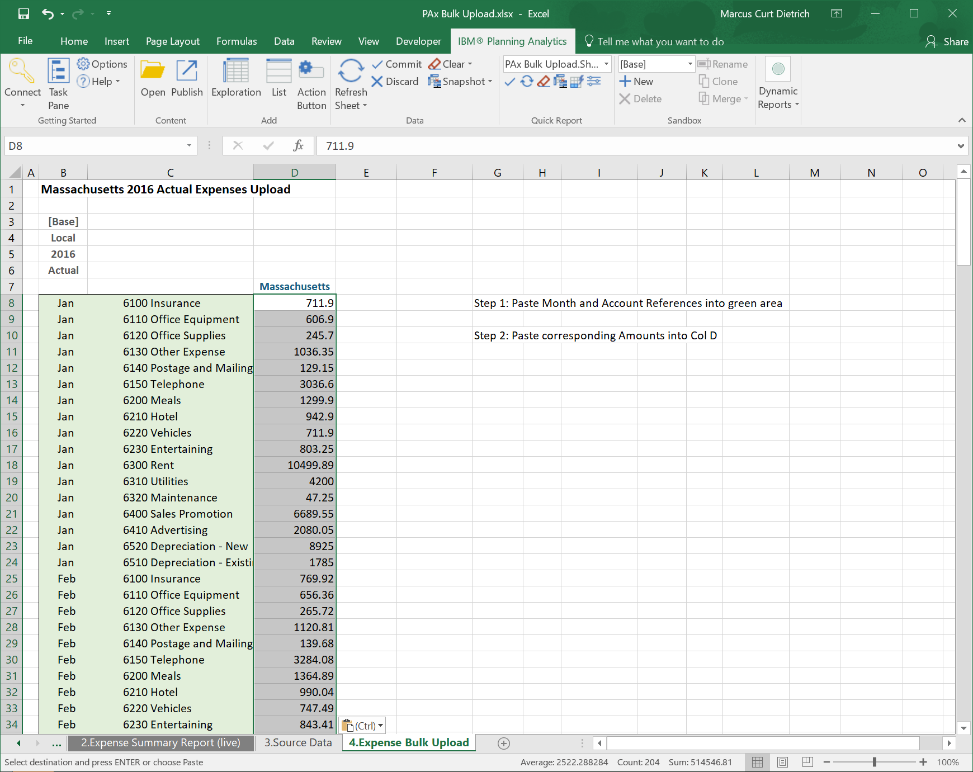

4. Press 'Commit' on the Planning Analytics Ribbon to upload the expense data in a bulk

 | in the dialog that follows you can 'preview the changes' if you like or directly press 'commit changes':

 | The expense data has now been uploaded to the Planning Analytics Server

5. Verify that expenses have been uploaded and consolidated in real time:

 | you can verify that expenses have been uploaded by going back and refreshing the report in tab |  |  |  |  |  |  |  | Expense Summary Report (live)

 | the report will now show the consolidated expenses from the Planning Analytics server:

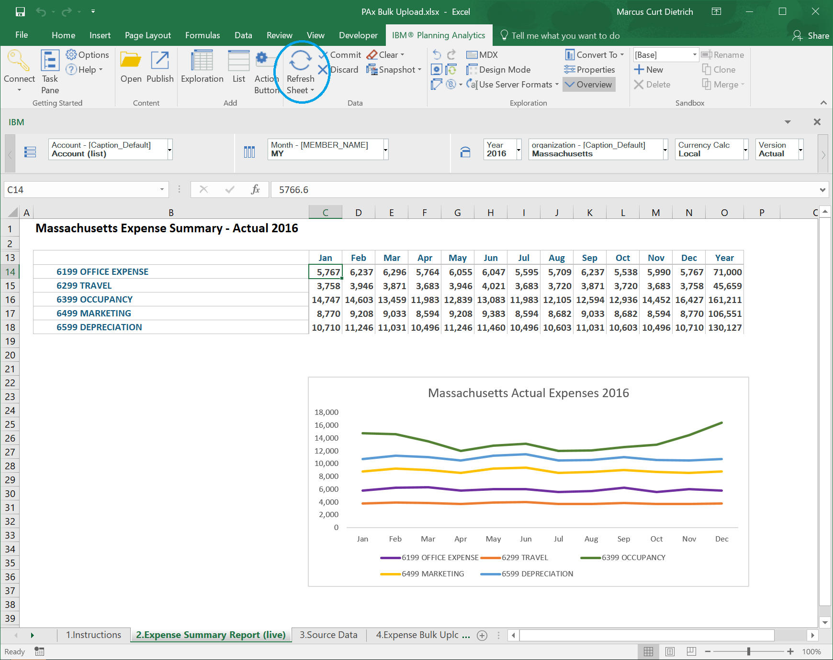

 | you can even drill down into the accounts if you like, by double clicking the summary account

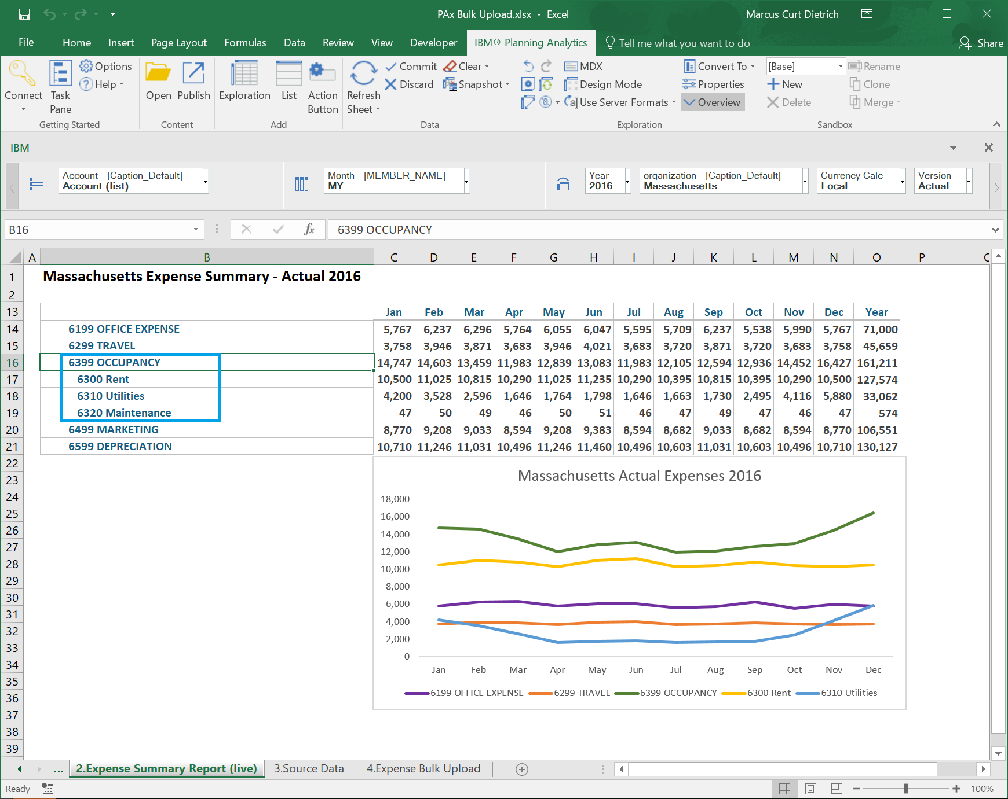

 | Questions? | Email | me

 | IBM, January 2018

2.Expense Summary Report (live)
Massachusetts Expense Summary - Actual 2016

 | Jan | Feb | Mar | Apr | May | Jun | Jul | Aug | Sep | Oct | Nov | Dec | Year
6199 OFFICE EXPENSE
6299 TRAVEL
6399 OCCUPANCY
6499 MARKETING
6599 DEPRECIATION

Massachusetts Actual Expenses 2016
 | 6199 OFFICE EXPENSE | 6299 TRAVEL | 6399 OCCUPANCY | 6499 MARKETING | 6599 DEPRECIATION
Jan
Feb
Mar
Apr
May
Jun
Jul
Aug
Sep
Oct
Nov
Dec

